Separator Motor Block
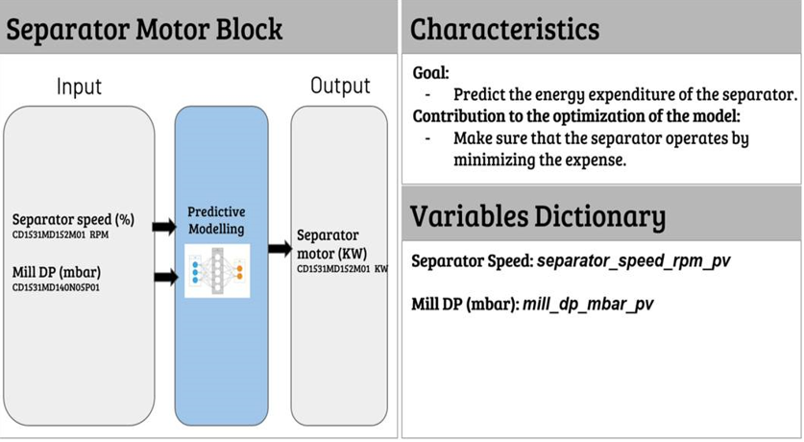

Input | Output | Delay time
Separator Speed | Separator Motor | 1-2 min
Mill DP | Separator Motor | 5-7 min

Mill DP
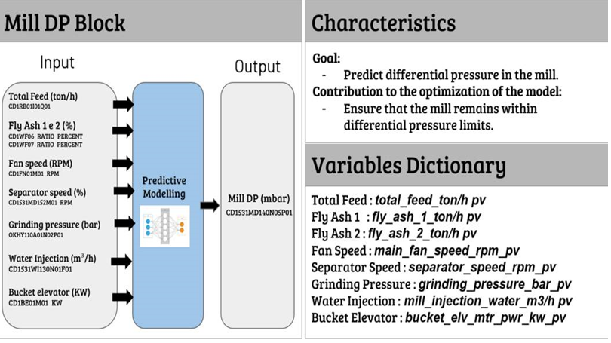

Input | Output | Delay time
Total Feed | Mill DP | 5-7 min
Fly Ash 1 / Fly Ash 2 | Mill DP | 15-17 min
Fan Speed | Mill DP | 5 min
Separator Speed | Mill DP | 2-3 min
Grinding Pressure | Mill DP | 4-5 min
Water Injection | Mill DP | 3-4 min
Bucket Elevator | Mill DP | 4-5 min

